2023 Tier 1
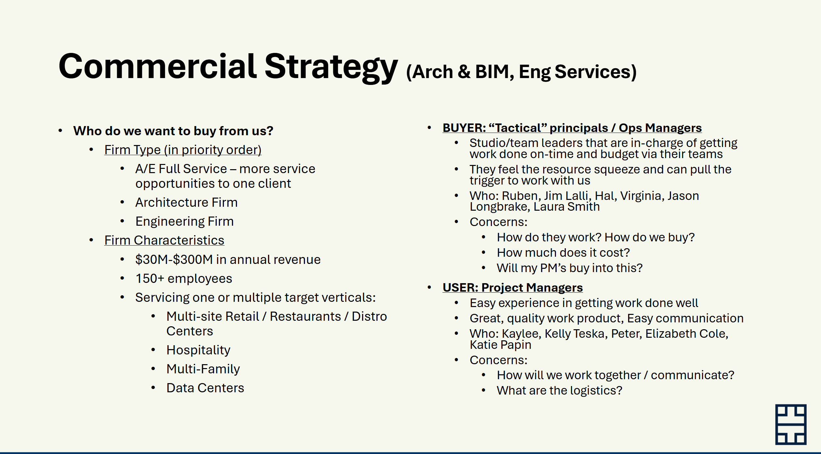
Firm Name | Retail Revenue | Rest. Revenue | Multifamily Revenue | Industrial Revenue | Data Center Revenue | Hospitality Revenue | Total Relevant Revenue | LI Employees | Data Source | C1 Name | C1 Title | C1 Email | C1 Phone | C1 Office Address | C2 Name | C2 Title | C2 Email | C2 Phone | C2 Office Address | C3 Name | C3 Title | C3 Email | C3 Phone | C3 Office Address | C4 Name | C4 Title | C4 Email | C4 Phone | C4 Office Address | C5 Name | C5 Title | C5 Email | C5 Phone | C5 Office Address
NORR | $43,068,568 | $11,903,850 | $28,972,291 | $8,954,881 |  | $4,226,719 | $97,126,309 | 875 | BDC 2023 | Jonathan Hughes | Chief Operating Officer | jonathan.hughes@norr.com | 416 944 7837 | 175 Bloor Street East, Toronto, Ontario, M4W 3R8, CA | Ricardo Avila | Senior Principal, Retail |  |  |  | Anthony Ricciuti | Executive Vice President, Retail |  |  |  | Andrea Davis | Principal, Retail |  |  |  | How can | Vice President, Operations, US
GPD Group | $28,064,000 | $14,364,000 |  |  |  |  | $42,428,000 | 705 | BDC 2023 | Jeff Evans | Senior Vice President, Operations |  |  |  | Becky McAdams | Vice President, Operations |  |  |  | Trever Powers | Vice President, Operations |  |  |  | Jake Bendik | Director, Retail/Commercial |  |  |  | Steve Turner | National Leader, Strategy and Growth, Multi Site Programs
HFA |  |  |  |  |  |  |  | 670 | ICSC CB | Ryan Ray | Chief Operating Officer |  |  |  | Aksel Solberg | Design Development Studio Lead |  |  |  | James Owens | Vice President |  |  |  | Bo Ebbrecht | Vice President |  |  |  | Marc Jennings | Vice President
H2M Architects + Engineers |  |  |  |  |  |  |  | 629 | ICSC CB | Joseph Mottola | Chief Operating Officer |  |  |  | Ray Givargis | Studio Director |  |  |  | Phil Schade | Senior Vice President, Market Director, Energy
WATG |  |  | $5,653,143 |  |  | $77,924,699 | $83,577,842 | 577 | BDC 2023
HED |  |  | $9,426,600 | $4,600,000 | $20,200,000 |  | $34,226,600 | 575 | BDC 2023 | Michael Cooper | President |  |  |  | Anna McDougall | Principal, Operations Practice Leader |  |  |  | Jerome (Otis) Odell | Principal, Business Leader, Housing and Mixed Use
KTGY | $3,736,599 |  | $16,117,830 |  |  | $6,742,437 | $26,596,866 | 514 | BDC 2023 | David Senden | Principal |  |  |  | Keith Labus | Principal |  |  |  | Adam Hale | Director, Production |  |  |  | Bindiya Agarwal | Director, Production |  |  |  | Brandon Wernli | Executive Director, Production
Cushing Terrell | $26,457,330 |  | $6,241,505 | $2,391,131 | $2,705,244 |  | $37,795,210 | 508 | BDC 2023 | Martin Byrnes | Chief Operating Officer |  |  |  | Nicole Dovel-Moore | Associate Principal |  |  |  | Joshua Hersel | Director, Multi-Family Design |  |  |  | Brad Sperry | Principal, Design Director |  |  |  | Rob Arthur | Principal, Design Director
Little |  |  |  |  |  |  |  | 500 | ICSC CB | Charles Todd | Chief Operating Officer |  |  |  | Sarah Curtis | Principal |  |  |  | Michael Magee | Principal |  |  |  | Heather Nifong | Principal |  |  |  | John Quinn | Principal
MG2 - WHAT NOW THAT IT IS CED?? | $38,313,224 |  | $4,845,824 | $3,022,289 |  |  | $46,181,337 | 498 | BDC 2023
BL Companies |  |  |  |  |  |  |  | 494 | ICSC CB | Derek Kohl | VP of Operations |  |  |  | Bill Fries | Director, Project Development |  |  |  | Barbara Joslin | Director, Project Development |  |  |  | Amy Samuelson | Executive Director of Architecture and Building Engineering |  |  |  | Ian McPhillips | Director, Energy
LS3P Associates | $5,964,397 | $2,586,784 | $12,355,944 | $7,373,084 |  | $2,798,008 | $31,078,217 | 488 | BDC 2023 | George Temple | Chief Operating Officer |  |  |  | Neil Dawson | Living Practice Leader |  |  |  | Chris Owings | Senior Practice Professional, Urban Environments |  |  |  | David Burt | Firmwide Hospitality Sector Leader / Vice President |  |  |  | Roy Selvidge | Firmwide Federal & Industrial Sector Leader
Larson Design Group |  |  |  |  |  |  |  | 472 | ICSC CB | David Schaarsmith | Chief Operating Officer |  |  |  | Ronald Kretz | Built Environment Operations Manager and Vice President |  |  |  | Andrew Dorin | Market Lead & Vice President
AO | $35,332,000 | $1,752,000 | $52,485,000 | $8,187,000 | $1,944,000 | $6,903,000 | $106,603,000 | 446 | BDC 2023 |  |  |  |  |  | Rob Budetti | Managing Partner |  |  |  | Jeff Rabbitt | Partner |  |  |  | Richard Clark | Partner |  |  |  | RC Alley | Managing Partner
Moody Nolan | $6,334,173 |  | $13,233,668 |  |  |  | $19,567,841 | 375 | BDC 2023 | Allen Schaffer | Partner, Chief Operating Office, Chief Sustainability Officer |  |  |  | Todd Dove | Partner, Retail Practice Leader |  |  |  | Yanitza Brongers-Marrero | Partner, Housing Practice Leader |  |  |  | Jay Boone | Partner, Director of General Architecture |  |  |  | Julie Cook | Partner, Director of Project Delivery
Progressive Companies |  |  |  |  |  |  |  | 374 | ICSC CB | Wes Jones | Managing Principal |  |  |  | Ryan Doherty | Principal, Mixed-use Practice Leader |  |  |  | Doug Wurl | Principal, Director of Program Delivery |  |  |  | Bill Culhane | Principal, Director of Project Delivery |  |  |  | Rand Harder | Senior Design Architect
Hord Coplan Macht |  |  | $26,297,448 |  |  |  | $26,297,448 | 360 | BDC 2023 | Joe Schneider | Managing Principal |  |  |  | John Harris | Managing Principal |  |  |  | Liz Peterson | Principal
WDG |  |  | $23,937,000 |  |  |  | $23,937,000 | 327 | BDC 2023 | Robyn Jacobson | Managing Principal |  |  |  | Siti Abdul-Rahman | Managing Principal |  |  |  | Will Duncan | Managing Principal |  |  |  | Doug James | Principal |  |  |  | Eric Schlegel | Principal
Cooper Carry | $9,394,769 | $4,625,642 | $23,705,448 |  | $1,656,006 | $19,400,953 | $58,782,818 | 316 | BDC 2023 | Kyle Reis | Principal, President and CEO |  |  |  | John Ward | Principal |  |  |  | Angelo Carusi | Principal, Atlanta Office Managing Director |  |  |  | Alex Lopatynsky | Principal, New York Office Managing Director |  |  |  | Kathy Logan | Principal
Galloway & Company, Inc |  |  |  |  |  |  |  | 313 | ICSC CB | Darren Bruns | Chief Operating Officer |  |  |  | Kristoffer Kenton | Director of Architecture, Principal |  |  |  | Chris Carlson | Regional Architectural Team Manager, Principal |  |  |  | Gary Rhodes | Regional Architectural Team Manager, Principal |  |  |  | Blake Olson | Architectural Project Manager, Principal
Greenberg Farrow | $37,688,000 | $14,560,000 |  |  |  |  | $52,248,000 | 302 | BDC 2023 | Rodeny E. Abney, Jr | CFO, Senior Vice President |  |  |  | Ali Yadegari | Managing Director of Roll-Out Architecture |  |  |  | Krista Karlson | Managing Director of Charlotte |  |  |  | Kelly Hosack | Managing Director of Charleston |  |  |  | Mike Haas | Managing Director of Structural Engineering
Cuningham | $15,220,694 | $5,556,771 | $6,149,658 |  |  |  | $26,927,123 | 294 | BDC 2023 | Dan Olic | Principal, Chief Operating Officer |  |  |  | Charles Stoffel | Principal, Director of Technical Design & Delivery |  |  |  | Gregory Houck | Principal |  |  |  | Jeremy Agraz | Associate Principal, Executive Director - Marketing + Strategy |  |  |  | Jeffrey Mandyck | Director of Strategy
BSB Design |  |  | $24,639,893 |  |  |  | $24,639,893 | 286 | BDC 2023 | Chris Jorgensen | Vice President of Operations |  |  |  | Deena A. Roumeliotis | Associate, Director of Production |  |  |  | Michael Tripodi | Associate, Director of Production |  |  |  | Paul Penman | Associate, Director of Production |  |  |  | Chris Blackburn | Associate, Director of Production
Solomon Cordwell Buenz (SCB) |  |  | $64,982,137 |  |  | $11,891,646 | $76,873,783 | 257 | BDC 2023 | Renee Sprogis-Marohn | Chief Operating Officer
Mithun |  |  | $14,496,274 |  |  |  | $14,496,274 | 249 | BDC 2023 | Dave Goldberg | President |  |  |  | Jason Steiner | Partner
Vocon | $7,884,889 |  | $8,348,706 |  |  |  | $16,233,595 | 245 | BDC 2023 | Laura Rees | Chief Operating Officer
Cuhaci Peterson |  |  |  |  |  |  |  | 235 | ICSC CB
Benchmark Group |  |  |  |  |  |  |  | 234 | ICSC CB
LRK |  |  | $16,700,000 |  |  |  | $16,700,000 | 231 | BDC 2023 | Tony Pellicciotti | Managing Principal
RATIO Design | $3,122,293 | $3,112,262 | $10,357,542 |  |  | $7,535,753 | $24,127,850 | 227 | BDC 2023 | Bill Browne | Principal, CEO |  |  |  | Chris Meier | Principal / Dir. of Ops & Indianaplois Studio Leader |  |  |  | Hal Bowen | Principal / Raleigh Studio Leader |  |  |  | Clay Markham | Principal |  |  |  | Eric Doner | Associate Principal
Dahlin Architecture | Planning | Interiors |  |  | $22,500,000 |  |  |  | $22,500,000 | 224 | BDC 2023 | Emily A. Bonato | Chief Operating Officer |  |  |  | Lauren Jessup-Mosu | Managing Director - Regional |  |  |  | Sean Whitacre | Senior Principal / Senior Architect |  |  |  | Lauri Moffet-Fehlberg | Senior Vice President - Architecture |  |  |  | Andrew "Jack" Gallagher | Managing Principal - Austin Office
Baskervill |  |  |  |  |  | $14,381,252 | $14,381,252 | 223 | BDC 2023 | Bob Clark | CEO |  |  |  | Brad Richards | Principal, Executive Vice President |  |  |  | Jay Woodburn | Principal |  |  |  | Terri Callaway | Principal |  |  |  | Fred Hopkins | Associate, Studio Director
JCJ Architecture |  |  |  |  |  | $12,039,538 | $12,039,538 | 218 | BDC 2023 | Scott Celella | Chief Operating Officer |  |  |  | Robert Gdowski | Principal, Director of Hospitality Design |  |  |  | Paul Hamel | Director of Project Management |  |  |  | Jeanne Muscolino | Principal, Hospitality Market Leader |  |  |  | Doug Roberts | Principal
Elkus Manfredi Architects |  |  | $8,092,756 |  |  | $3,109,129 | $11,201,885 | 210 | BDC 2023

